KEYWORDS RANKING
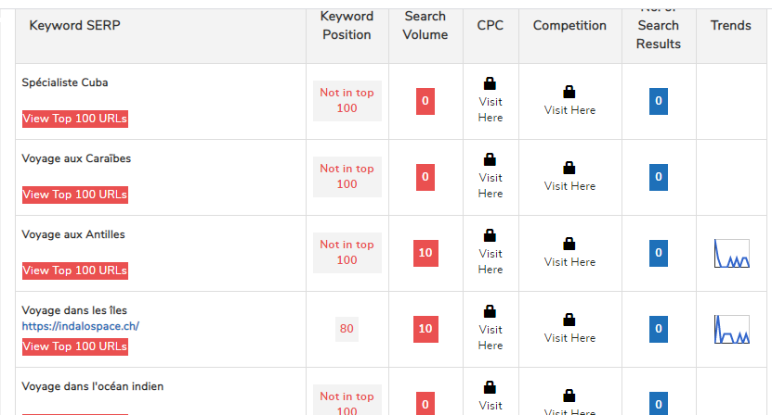
KEYWORDS POSITION:

DATED: 17/01/2020

